Theory
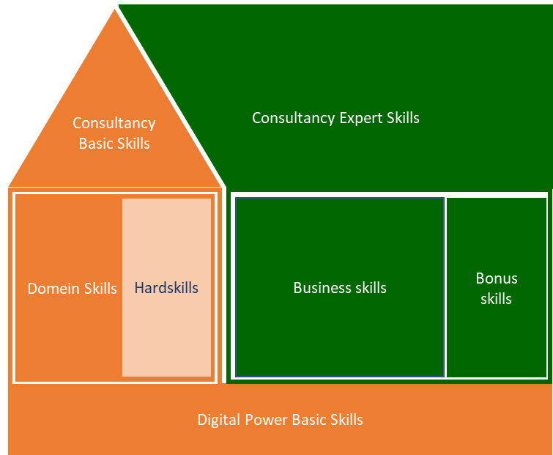
Digital Power Competentiehuis |  | Competentiegebieden
 | a

Results (DO NOT EDIT!!)
 | Digital Power Basic Skills | Digital Power Basic Skills | Digital Power Basic Skills | Digital Power Basic Skills | Digital Power Basic Skills | Digital Power Basic Skills | Domain Skills | Domain Skills | Domain Skills | Domain Skills | Domain Skills | Domain Skills | Domain Skills | Domain Skills | Domain Skills | Domain Skills | Domain Skills | Domain Skills | Domain Skills | Domain Skills | Domain Skills | Domain Skills | Domain Skills | Domain Skills | Domain Skills | Domain Skills | Domain Skills | Domain Skills | Domain Skills | Domain Skills | Domain Skills | Domain Skills | Domain Skills | Domain Skills | Domain Skills | Domain Skills | Domain Skills | Domain Skills | Domain Skills | Domain Skills | Domain Skills | Domain Skills | Domain Skills | Domain Skills | Domain Skills | Domain Skills | Hardskills | Hardskills | Hardskills | Hardskills | Hardskills | Hardskills | Hardskills | Hardskills | Hardskills | Hardskills | Hardskills | Hardskills | Hardskills | Hardskills | Hardskills | Basic Consultancy Skills | Basic Consultancy Skills | Basic Consultancy Skills | Basic Consultancy Skills | Basic Consultancy Skills | Business Skills | Business Skills | Business Skills | Business Skills | Business Skills | Expert Consultancy Skills | Expert Consultancy Skills | Expert Consultancy Skills | Expert Consultancy Skills | Expert Consultancy Skills
 |  |  |  |  |  |  | Ethics and professionalism | Ethics and professionalism | Ethics and professionalism | Ethics and professionalism | Ethics and professionalism | Basic data skills | Basic data skills | Basic data skills | Basic data skills | Statistics | Statistics | Statistics | Statistics | Statistics | Qualitative analysis and research skills | Qualitative analysis and research skills | Qualitative analysis and research skills | Qualitative analysis and research skills | Qualitative analysis and research skills | Metrics and goals | Metrics and goals | Metrics and goals | Metrics and goals | Metrics and goals | CX theory | CX theory | CX theory | CX theory | CX theory | CX theory | CX theory | CX theory | CX knowledge application domain | CX knowledge application domain | CX knowledge application domain | CX knowledge application domain | CX knowledge application domain | Bonus skills | Bonus skills | Bonus skills
 | Learning & reflection | Support & collaboration | Entrepreneurial & result-oriented | Customer-oriented | Knowledge sharing | Coaching & guidance | Aware | Understands | Advises | Takes into account in own work | Proactively advises | Aware of different types of data and possibilities/limitations | Understands data quality and recognizes problems | Also knows the solutions to deal with data quality problems | Can effectively and efficiently transform/manipulate the data | Assumptions about sample size, distribution, etc. | Confidence Intervals | Statistical tests | Correlation | Regression | Reliability & validity | Selecting appropriate research method | Research design | Interpreting results | Research in a business context | Metrics for usability and UX | Metrics for CX | Metrics connecting strategy with UX/CX metrics | Translating metrics into concrete measurable definitions | Metrics for the appropriate level in the organization | Perception and decision making | Optimization process | CX Maturity models | Brand, usability, UX, CX | CX strategy | Copywriting | UX writing | Content | Customer Journey Mapping & Personas | Personalization & segmentation | Customer Journey (CXO) | Marketing Analytics | eCommerce Analytics | Product Analytics | Customer Service Optimalisation | Design | Prototyping | Visual design | Customer Journey Mapping | Usability Tests - Formative | Usability Test - Summative | AB Testing | Behavioral Analytics (Web and app analytics tooling) | Marketing Analytics | Session recordings | Heatmaps & Scrollmaps | Interviewing (setup & executing interview) | Survey Design (setup & executing survey) | SQL | Python | Javascript | R | HTML / CSS | Advising | Decisive & problem-solving | Interpersonal communication | Expectation management | Written and oral communication | Organizational and management identification | Strategic conceptualization | Project management | Change management | Leadership | Situational communication | Goal-oriented & effective communication | Decision-making | Persuading & influencing | Constructive (negative) feedback & bad news conversations
 | 1 | 2 | 3 | 4 | 5 | 6 | 1 | 2 | 3 | 4 | 5 | 1 | 2 | 3 | 4 | 1 | 2 | 3 | 4 | 5 | 1 | 2 | 3 | 4 | 5 | 1 | 2 | 3 | 4 | 5 | 1 | 2 | 3 | 4 | 5 | 6 | 7 | 8 | 1 | 2 | 3 | 4 | 5 | 1 | 2 | 3 | 1 | 2 | 3 | 4 | 5 | 6 | 7 | 8 | 9 | 10 | 11 | 12 | 13 | 14 | 15 | 1 | 2 | 3 | 4 | 5 | 1 | 2 | 3 | 4 | 5 | 1 | 2 | 3 | 4 | 5

Score current situation | 0.0 | 0.0 | 0.0 | 0.0 | 0.0 | 0.0 | 0.0 | 0.0 | 0.0 | 0.0 | 0.0 | 0.0 | 0.0 | 0.0 | 0.0 | 0.0 | 0.0 | 0.0 | 0.0 | 0.0 | 0.0 | 0.0 | 0.0 | 0.0 | 0.0 | 0.0 | 0.0 | 0.0 | 0.0 | 0.0 | 0.0 | 0.0 | 0.0 | 0.0 | 0.0 | 0.0 | 0.0 | 0.0 | 0.0 | 0.0 | 0.0 | 0.0 | 0.0 | 0.0 | 0.0 | 0.0 | 0.0 | 0.0 | 0.0 | 0.0 | 0.0 | 0.0 | 0.0 | 0.0 | 0.0 | 0.0 | 0.0 | 0.0 | 0.0 | 0.0 | 0.0 | 0.0 | 0.0 | 0.0 | 0.0 | 0.0 | 0.0 | 0.0 | 0.0 | 0.0 | 0.0 | 0.0 | 0.0 | 0.0 | 0.0 | 0.0
Subtotal average |  |  |  |  |  |  |  |  |  |  | 0.0 |  |  |  | 0.0 |  |  |  |  | 0.0 |  |  |  |  | 0.0 |  |  |  |  | 0.0 |  |  |  |  |  |  |  | 0.0 |  |  |  |  | 0.0 |  |  | 0.0
Total average |  |  |  |  |  | 0.0 |  |  |  |  |  |  |  |  |  |  |  |  |  |  |  |  |  |  |  |  |  |  |  |  |  |  |  |  |  |  |  |  |  |  |  |  |  |  |  | 0.0 |  |  |  |  |  |  |  |  |  |  |  |  |  |  | 0.0 |  |  |  |  | 0.0 |  |  |  |  | 0.0 |  |  |  |  | 0.0

Score ambition | 0.0 | 0.0 | 0.0 | 0.0 | 0.0 | 0.0 | 0.0 | 0.0 | 0.0 | 0.0 | 0.0 | 0.0 | 0.0 | 0.0 | 0.0 | 0.0 | 0.0 | 0.0 | 0.0 | 0.0 | 0.0 | 0.0 | 0.0 | 0.0 | 0.0 | 0.0 | 0.0 | 0.0 | 0.0 | 0.0 | 0.0 | 0.0 | 0.0 | 0.0 | 0.0 | 0.0 | 0.0 | 0.0 | 0.0 | 0.0 | 0.0 | 0.0 | 0.0 | 0.0 | 0.0 | 0.0 | 0.0 | 0.0 | 0.0 | 0.0 | 0.0 | 0.0 | 0.0 | 0.0 | 0.0 | 0.0 | 0.0 | 0.0 | 0.0 | 0.0 | 0.0 | 0.0 | 0.0 | 0.0 | 0.0 | 0.0 | 0.0 | 0.0 | 0.0 | 0.0 | 0.0 | 0.0 | 0.0 | 0.0 | 0.0 | 0.0
Subtotal average |  |  |  |  |  |  |  |  |  |  | 0.0 |  |  |  | 0.0 |  |  |  |  | 0.0 |  |  |  |  | 0.0 |  |  |  |  | 0.0 |  |  |  |  |  |  |  | 0.0 |  |  |  |  | 0.0 |  |  | 0.0
Total average |  |  |  |  |  | 0.0 |  |  |  |  |  |  |  |  |  |  |  |  |  |  |  |  |  |  |  |  |  |  |  |  |  |  |  |  |  |  |  |  |  |  |  |  |  |  |  | 0.0 |  |  |  |  |  |  |  |  |  |  |  |  |  |  | 0.0 |  |  |  |  | 0.0 |  |  |  |  | 0.0 |  |  |  |  | 0.0

Total

Skill categories
 | Current | Ambition
Digital Power Basic Skills | 0.0 | 0.0
Domain Skills | 0.0 | 0.0
Hardskills | 0.0 | 0.0
Basic Consultancy Skills | 0.0 | 0.0
Business Skills | 0.0 | 0.0
Expert Consultancy Skills | 0.0 | 0.0

Categories
Hardskills
Digital Power Basic Skills
Domain skills subcategories
 | Current | Ambition
Ethics and professionalism | 0.0 | 0.0
Basic data skills | 0.0 | 0.0
Statistics | 0.0 | 0.0
Qualitative analysis and research skills | 0.0 | 0.0
Metrics and goals | 0.0 | 0.0
CX theory | 0.0 | 0.0
CX knowledge application domain | 0.0 | 0.0
Bonus skills | 0.0 | 0.0

Spreiding huidige versus ambitie
Domein Skills (DA)

Basic Consultancy Skills
Business Skills
Expert Consultancy Skills

Domain skills subcategories
Domain skills (Ethics & professionalism)
Domain skills (Basic data skills))
Domain skills (Statistics)
Domain skills (Quant. Analysis & Research skills)

Domain skills (Metrics & goals)
Domain skills (CX theory)
Domain skills (CX knowledge & domain)
Domain skills (Bonus skills)

